Sheet1
3D Analyzer Software - Cabinet Library - Page 1 of ??

Image | Description | Code | Width - min | Width - max | Depth - min | Depth - max | Height - min | Height - max
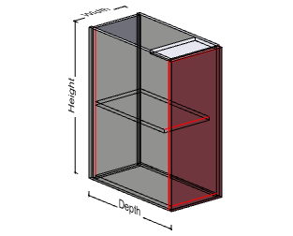 | Base Unit Door RH | Base1DRH | 200 | Unlimited | 200 | Unlimited | Fixed | Fixed

 | - 1 Adj Shelf
 | - 16mm Internal Material
 | - 18mm External Material

 | Base Unit Door LH | Base1DLH | Width - min | Width - max | Depth - min | Depth - max | Height - min | Height - max
 |  |  | 200 | Unlimited | 200 | Unlimited | Fixed | Fixed

 | - 1 Adj Shelf
 | - 16mm Internal Material
 | - 18mm External Material

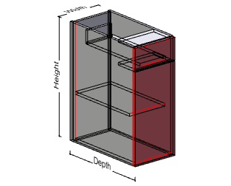 | Base Unit Door RH - 1 DRW | Base1DRH1DRW | Width - min | Width - max | Depth - min | Depth - max | Height - min | Height - max
 |  |  | 250 | Unlimited | 400 | Unlimited | Fixed | Fixed

 | - 1 Drawer - Blum Tandum Box
 | - 1 Adj Shelf
 | - 16mm Internal Material
 | - 18mm External Material

 | Base Unit Door LH - 1 DRW | Base1DLH1DRW | Width - min | Width - max | Depth - min | Depth - max | Height - min | Height - max
 |  |  | 250 | Unlimited | 400 | Unlimited | Fixed | Fixed

 | - 1 Drawer - Blum Tandum Box
 | - 1 Adj Shelf
 | - 16mm Internal Material
 | - 18mm External Material

3D Analyzer Software - Cabinet Library - Page 2 of ??

Image | Description | Code | Width - min | Width - max | Depth - min | Depth - max | Height - min | Height - max
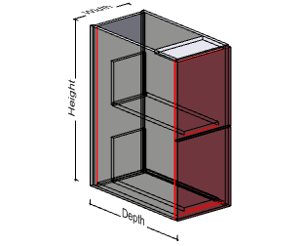 | Base Unit 2 Drawer | Base2DRW | 250 | Unlimited | 400 | Unlimited | Fixed | Fixed

 | - 2 Drawer - Blum Tandum Box
 | - 16mm Internal Material
 | - 18mm External Material

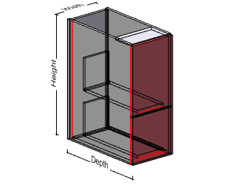 | Base Unit 2 Drawer 2 - 3 | Base2DRW_2_3 | Width - min | Width - max | Depth - min | Depth - max | Height - min | Height - max
 |  |  | 250 | Unlimited | 400 | Unlimited | Fixed | Fixed

 | - 2 Drawer - Blum Tandum Box
 | - 16mm Internal Material
 | - 18mm External Material

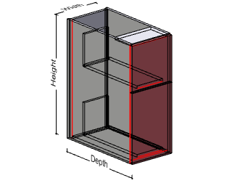 | Base Unit 2 Drawer 3 -2 | Base2DRW_3_2 | Width - min | Width - max | Depth - min | Depth - max | Height - min | Height - max
 |  |  | 250 | Unlimited | 400 | Unlimited | Fixed | Fixed

 | - 2 Drawer - Blum Tandum Box
 | - 16mm Internal Material
 | - 18mm External Material

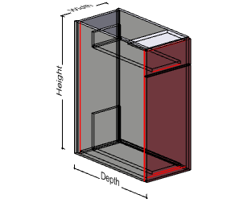 | Base Unit 2 Drawer 4 -1 | Base2DRW_4_1 | Width - min | Width - max | Depth - min | Depth - max | Height - min | Height - max
 |  |  | 250 | Unlimited | 400 | Unlimited | Fixed | Fixed

 | - 2 Drawer - Blum Tandum Box
 | - 1 Adj Shelf
 | - 16mm Internal Material
 | - 18mm External Material

3D Analyzer Software - Cabinet Library - Page 3 of ??

Image | Description | Code | Width - min | Width - max | Depth - min | Depth - max | Height - min | Height - max
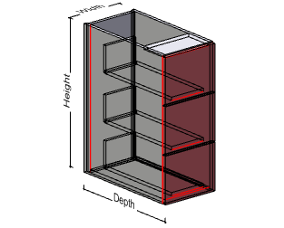 | Base Unit 3 Drawer | Base3DRW | 250 | Unlimited | 400 | Unlimited | Fixed | Fixed

 | - 3 Drawer - Blum Tandum Box
 | - 16mm Internal Material
 | - 18mm External Material

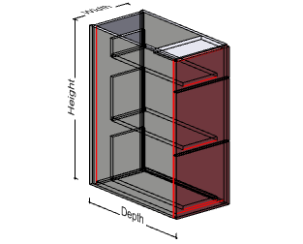 | Base Unit 3 Drawer 2 - 2 - 1 | Base3DRW_2_2_1 | Width - min | Width - max | Depth - min | Depth - max | Height - min | Height - max
 |  |  | 250 | Unlimited | 400 | Unlimited | Fixed | Fixed

 | - 3 Drawer - Blum Tandum Box
 | - 16mm Internal Material
 | - 18mm External Material

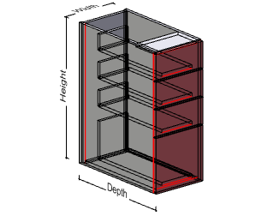 | Base Unit 4 Drawer 2 -1 - 1 | Base4DRW_2_1_1 | Width - min | Width - max | Depth - min | Depth - max | Height - min | Height - max
 |  |  | 250 | Unlimited | 400 | Unlimited | Fixed | Fixed

 | - 4 Drawer - Blum Tandum Box
 | - 16mm Internal Material
 | - 18mm External Material

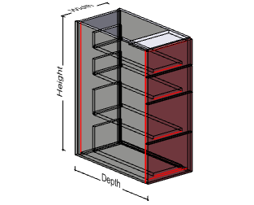 | Base Unit 4 Drawer 15 -15 | Base4DRW_15_15 | Width - min | Width - max | Depth - min | Depth - max | Height - min | Height - max
 |  |  | 250 | Unlimited | 400 | Unlimited | Fixed | Fixed

 | - 4 Drawer - Blum Tandum Box
 | - 16mm Internal Material
 | - 18mm External Material

3D Analyzer Software - Cabinet Library - Page 4 of ??

Image | Description | Code | Width - min | Width - max | Depth - min | Depth - max | Height - min | Height - max
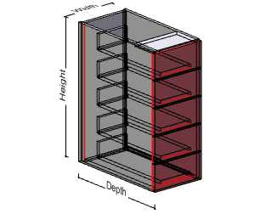 | Base Unit 5 Drawer | Base5DRW | 250 | Unlimited | 400 | Unlimited | Fixed | Fixed

 | - 5 Drawer - Blum Tandum Box
 | - 16mm Internal Material
 | - 18mm External Material

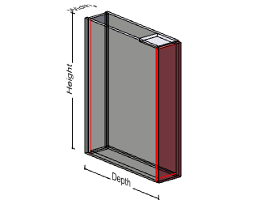 | Base Unit Front Pull Out | Base1PO | Width - min | Width - max | Depth - min | Depth - max | Height - min | Height - max
 |  |  | 100 | Unlimited | 200 | Unlimited | Fixed | Fixed

 | - 3 Drawer - Blum Tandum Box
 | - 16mm Internal Material
 | - 18mm External Material

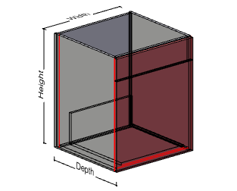 | Base Unit Cook Top - I DRW | BaseCT1DRW | Width - min | Width - max | Depth - min | Depth - max | Height - min | Height - max
 |  |  | 250 | Unlimited | 400 | Unlimited | Fixed | Fixed

 | - 1 Drawer - Blum Tandum Box
 | - 16mm Internal Material
 | - 18mm External Material

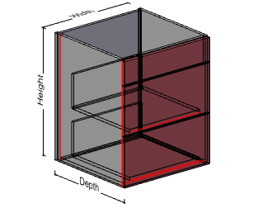 | Base Unit Cook Top - 2 DRW | BaseCT2DRW | Width - min | Width - max | Depth - min | Depth - max | Height - min | Height - max
 |  |  | 250 | Unlimited | 400 | Unlimited | Fixed | Fixed

 | - 2 Drawer - Blum Tandum Box
 | - 16mm Internal Material
 | - 18mm External Material

3D Analyzer Software - Cabinet Library - Page 5 of ??

Image | Description | Code | Width - min | Width - max | Depth - min | Depth - max | Height - min | Height - max
 | Base Open | BaseOpen | 200 | Unlimited | 200 | Unlimited | Fixed | Fixed

 | - 18mm Internal Material
 | - 18mm External Material

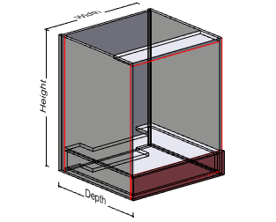 | Base Unit U B Oven | BaseUBO | Width - min | Width - max | Depth - min | Depth - max | Height - min | Height - max
 |  |  | 250 | Unlimited | 350 | Unlimited | Fixed | Fixed

 | - 1 Fixed Panel
 | - 16mm Internal Material
 | - 18mm External Material

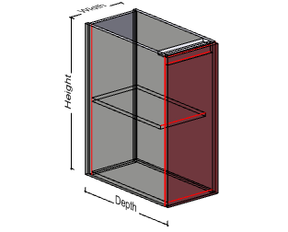 | Sink Unit Door LH | Sink1DLH | Width - min | Width - max | Depth - min | Depth - max | Height - min | Height - max
 |  |  | 200 | Unlimited | 300 | Unlimited | Fixed | Fixed

 | - 16mm Internal Material
 | - 18mm External Material

 | Sink Unit Door RH | Sink1DRH | Width - min | Width - max | Depth - min | Depth - max | Height - min | Height - max
 |  |  | 200 | Unlimited | 300 | Unlimited | Fixed | Fixed

 | - 16mm Internal Material
 | - 18mm External Material

3D Analyzer Software - Cabinet Library - Page 6 of ??

Image | Description | Code | Width - min | Width - max | Depth - min | Depth - max | Height - min | Height - max
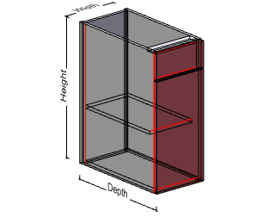 | Sink Unit Door LH - Top Panel | Sink1DLH1P | 200 | Unlimited | 300 | Unlimited | Fixed | Fixed

 | - 1 Fixed Panel
 | - 18mm Internal Material
 | - 18mm External Material

 | Sink Unit Door RH - Top Panel | Sink1DRH1P | Width - min | Width - max | Depth - min | Depth - max | Height - min | Height - max
 |  |  | 200 | Unlimited | 300 | Unlimited | Fixed | Fixed

 | - 1 Fixed Panel
 | - 16mm Internal Material
 | - 18mm External Material

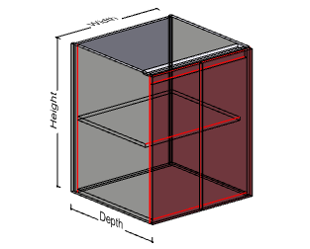 | Sink Unit 2 Door | Sink2D | Width - min | Width - max | Depth - min | Depth - max | Height - min | Height - max
 |  |  | 300 | Unlimited | 300 | Unlimited | Fixed | Fixed

 | - 16mm Internal Material
 | - 18mm External Material

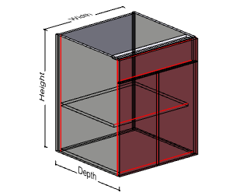 | Sink Unit 2 Door - Top Panel | Sink2D1P | Width - min | Width - max | Depth - min | Depth - max | Height - min | Height - max
 |  |  | 300 | Unlimited | 300 | Unlimited | Fixed | Fixed

 | - 16mm Internal Material
 | - 18mm External Material

3D Analyzer Software - Cabinet Library - Page 7 of ??

Image | Description | Code | Width - min | Width - max | Depth - min | Depth - max | Height - min | Height - max
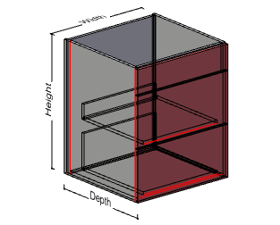 | Sink Unit 2 DRW - Top Panel | Sink2DRW1P | 300 | Unlimited | 400 | Unlimited | Fixed | Fixed

 | - 2 Drawer - Blum Tandum Box
 | - 1 Fixed Panel
 | - 18mm Internal Material
 | - 18mm External Material

 | Base Corner Unit | BaseCDLHA90 | Width - min | Width - max | Depth - min | Depth - max | Height - min | Height - max
 | Angle - 90 deg |  | 500 | Unlimited | 500 | Unlimited | Fixed | Fixed
 | Door hinged from LHS

 | - 16mm Internal Material
 | - 18mm External Material

 | Base Corner Unit | BaseCDRHA90 | Width - min | Width - max | Depth - min | Depth - max | Height - min | Height - max
 | Angle - 90 deg |  | 500 | Unlimited | 500 | Unlimited | Fixed | Fixed
 | Door hinged from RHS

 | - 16mm Internal Material
 | - 18mm External Material

 | Base Corner Unit | BaseCDLHAS | Width - min | Width - max | Depth - min | Depth - max | Height - min | Height - max
 | Angle - Straight |  | 600 | Unlimited | 300 | Unlimited | Fixed | Fixed
 | Door hinged from LHS

 | - 16mm Internal Material
 | - 18mm External Material

3D Analyzer Software - Cabinet Library - Page 8 of ??

Image | Description | Code | Width - min | Width - max | Depth - min | Depth - max | Height - min | Height - max
 | Base Corner Unit | BaseCDRHAS | 600 | Unlimited | 300 | Unlimited | Fixed | Fixed
 | Angle - Straight
 | Door Hinged from RHS

 | - 18mm Internal Material
 | - 18mm External Material

 | Upper Unit | Upper1DLH | Width - min | Width - max | Depth - min | Depth - max | Height - min | Height - max
 | Door hinged from LHS |  | 200 | Unlimited | 200 | Unlimited | 300 | Unlimited

 | - 16mm Internal Material
 | - 18mm External Material

 | Upper Unit | Upper1DRH | Width - min | Width - max | Depth - min | Depth - max | Height - min | Height - max
 | Door hinged from LRHS |  | 200 | Unlimited | 200 | Unlimited | 300 | Unlimited

 | - 16mm Internal Material
 | - 18mm External Material

 | Upper Unit | Upper2D | Width - min | Width - max | Depth - min | Depth - max | Height - min | Height - max
 | Two Dors |  | 400 | Unlimited | 200 | Unlimited | 300 | Unlimited

 | - 16mm Internal Material
 | - 18mm External Material

